1. Title Page
[Instacart Basket Analysis]

Project Name: Instacart Grocery Basket Analysis
Date: 2/13/2024
Analyst Name: Sarah Edens

Contents:
Population Flow
Consistency checks
Wrangling steps
Column derivations
Visualizations
Recommendations

2. Population Flow
Population flow

Exclusion flag
Condition: max_order < 5
Obervations to be removed: 1440295
Final total count of order_products_all: 30964564

Orders_products_combined
Orders_products_merged
Orders_products_all

Total: 32404859
Total: 32434489
Total: 32404859

1.) The grey boxes in the first row of the population flow represent the original data sets as they were when you downloaded them. In the Total fields you need to add the count of the rows when you imported the data set into Jupyter.
2.) The second row of boxes (coloured) represents the data sets after you manipulated them, e.g., removed missing values and duplicates. In the Total fields you need to add the count of the rows after conducting these operations. This offers a visual oveview of how the data flows throughout the data consistency checks.
3.) The third row, where also the arrows are coloured, represents the merges you performed between the datasets. In the Total fields you need to add the count of the rows in the merged datasets, so that you end up with the final dataset (in the red box). Keep in mind the final dataset should be without exclusions (based on the exclusion flag).

3. Consistency checks
 |  |  |  | Title page
Consistency checks

Dataset | Missing values | Missing values treatment | Duplicates
orders | 206209 missing values for days_since_prior_order | No action needed. This indicates absence of prior orders representing indivuduals who made their first order | ////
products | 16 missing names | Filter the DataFrame df_prods to include only the observations where the product_name column is not empty. Store the filtered data in a new DataFrame called df_prods_clean. Utilize this refined DataFrame for subsequent analysis. | 5 duplicates
orders_products_prior | //// | //// | ////
customers | 11259 first name | Did not delete, only missing first names.
 |  |  | ////

4. Wrangling steps
 |  |  |  | Title page
Wrangling steps

Columns dropped | Columns renamed | Columns' type changed | Comment/Reason
Order data:
eval_set |  |  | ///
 | orders_dow' --> 'orders_day_of_week' |  | Conformity/clarity
 |  | order_id --> string | Avoid using as num in analysis
 |  | 'use_id --> string | Avoid using as num in analysis
Product data: |  | products_name' --> string | Check for mixed data types
Customer data: |  | first_name' --> string | Check for mixed data types
 | fam_status' --> 'family_status' |  | Conformity/clarity
 | 'Surnam' --> 'Last Name' |  | Comformity/clarity
 | 'n_dependants' -> 'dependants' |  | Conformity/clarity
 | ''STATE' --> 'State' |  | Comformity

5. Column derivations
 |  |  |  | Title page

Column derivations and aggregations

In this tab you should add tables below that the frequences of flags/label variables that you produced after deriving them. NB: don't do this for continuous variables, only for flags.
Dataset | New column | Column/s it was derived from | Conditions
df_ords_prods_merge | price_range_loc | price | prices <= 5: 'Low range product' price > 5 and <= 15: 'Mid range product' price >15: 'High range product'
 | busiest_day | orders_day_of_week | value == 0: 'Busiest day' value == 4: 'Least busy' else: 'Regularly busy'
 | busiest_days | orders_day_of_week | value == 0 or 1: 'Busiest days' value == 4 or 3: 'Slowest days' else: 'Regular days'
 | busiest_period_of_day | order_hour_of_day | value == 10, 11, 14, 15, 13, 12, 16 or 9: 'Most orders' value == 3, 4, 2, 5, 1, 0, 6 or 23: 'Fewest orders' else: 'Average orders'
df_ords_prods_merge_derived | loyalty_flag | order | max_order > 40: 'Loyal customer' max_order <= 40 and > 10: 'Regular customer' max_order <= 10: 'New customer'
 | spending_flag | price range | mean_prices >= 10: 'High spender' mean_price <10: 'Low spender'
 | frequency_flag | intervals | median_orders_interval > 20: 'Non-frequent customer' median_orders_interval <= 20 and >10: 'Regular customer' median_orders_interval <= 10: 'Frequent customer'
df_ex_sub, df_s | region | state | conditions see links: https://simple.wikipedia.org/wiki/List_of_regions_of_the_United_States
small | age_flag | age | age < = 24: 'Young Adult' age >24 and <= 44: 'adult' age > 44 and <=60: 'middle aged' age >60:'senior'
 | income_flag | income | income >= 100k: 'High income' income < 100k and >= 50k: 'Middle income' income < 50k: 'Low income'

6. Visualizations
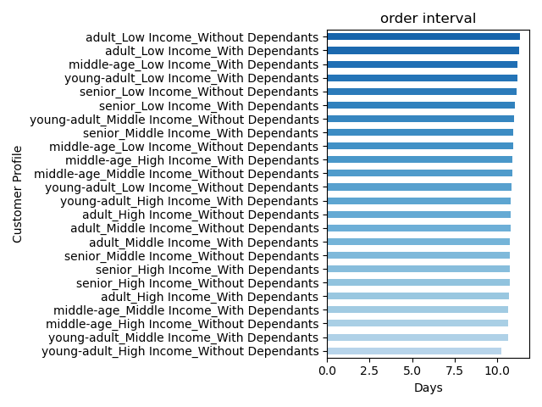
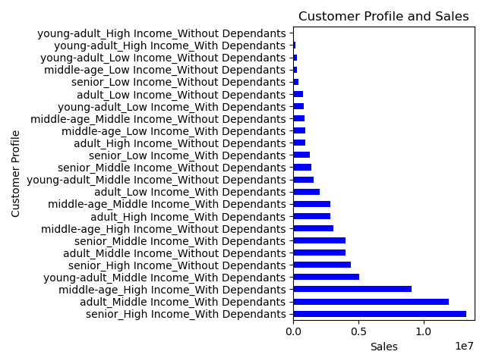
 | Title page

Visualisations

In this tab you should include all the visualtions from Exercises 4.9 and 4.10, alongside the questions from the project brief that they answer. Include any commentary on the relationship between different variables.

1.The sales team needs to know what the busiest days of the week and hours of the day are in order to schedule ads at times when there are fewer orders.

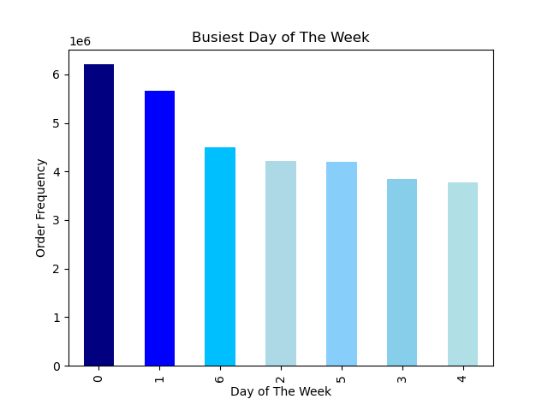


2.They also want to know whether there are particular times of the day when people spend the most money, as this might inform the type of products they advertise at these times.

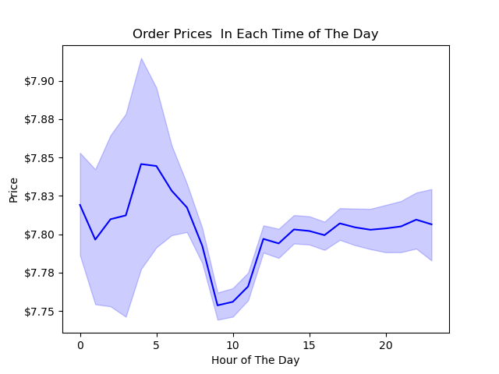
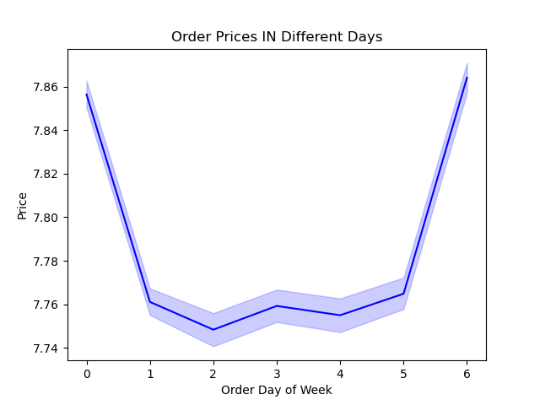

3.Instacart has a lot of products with different price tags. Marketing and sales want to use simpler price range groupings to help direct their efforts.
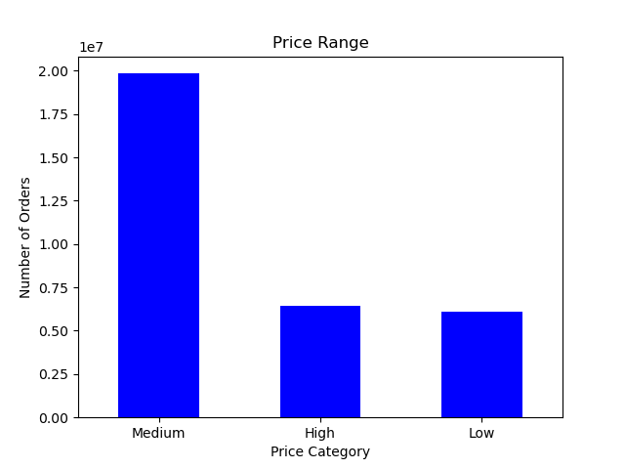
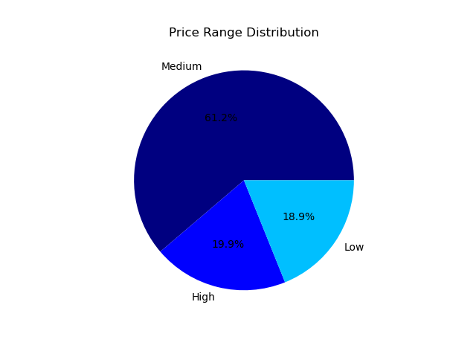

4. Are there certain types of products that are more popular than others? The marketing and sales teams want to know which departments have the highest frequency of product orders.

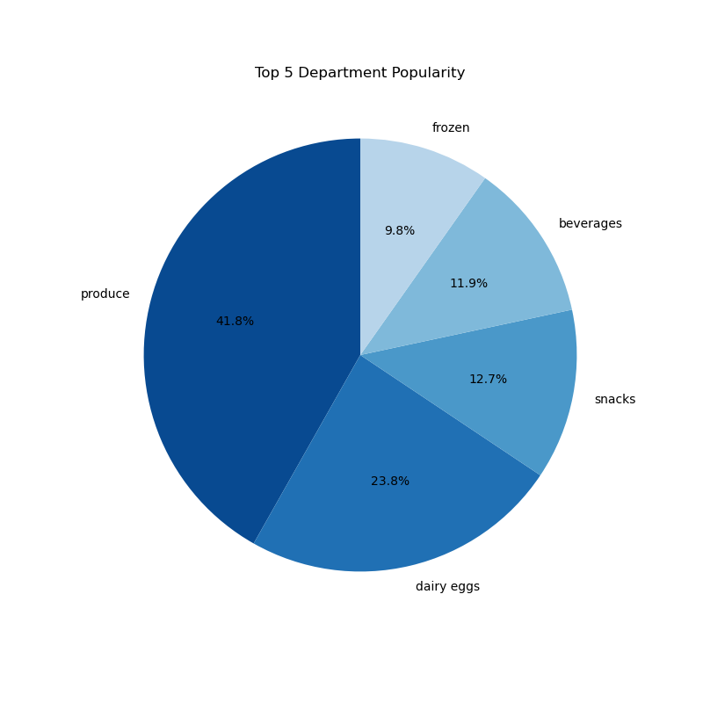
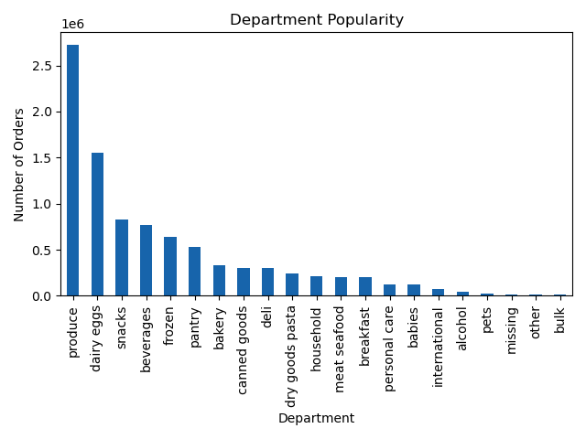

5.What’s the distribution among users in regards to their brand loyalty (i.e., how often do they return to Instacart)?

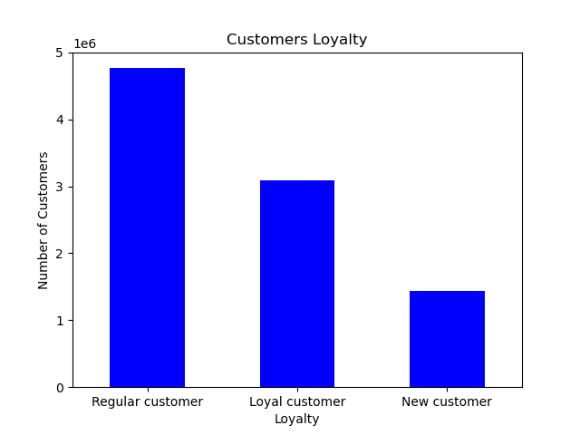

6.Are there differences in ordering habits based on a customer’s loyalty status

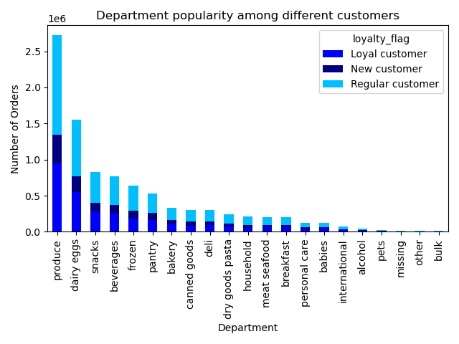
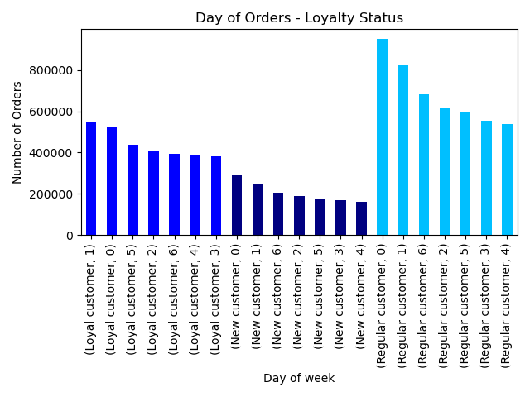

7. Are there differences in ordering habits based on a customer’s region?

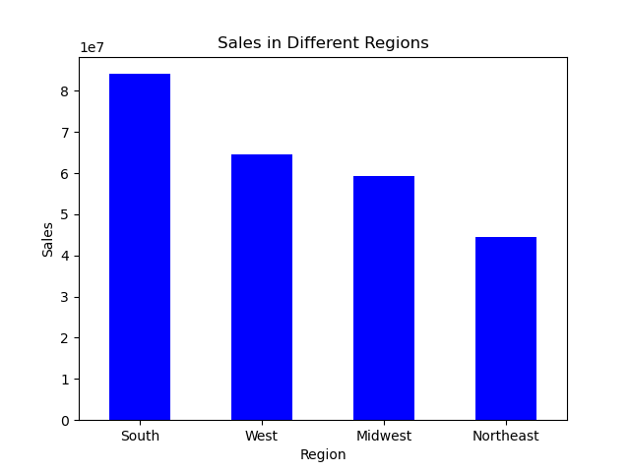

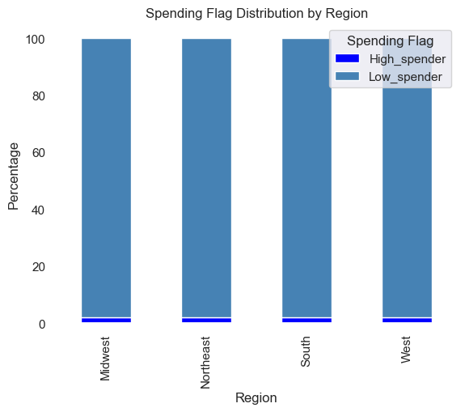

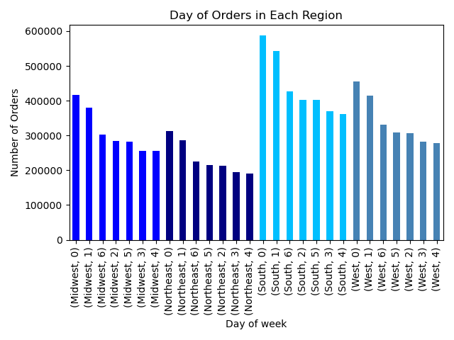

8.Is there a connection between age and family status in terms of ordering habits?
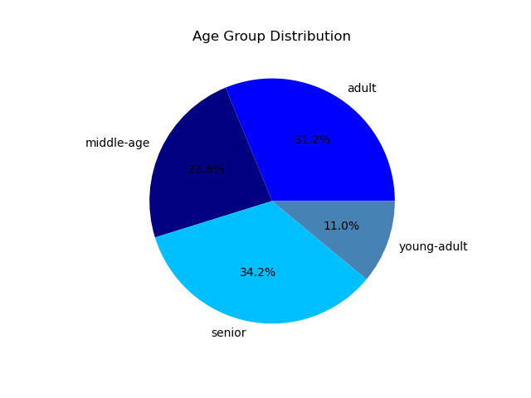
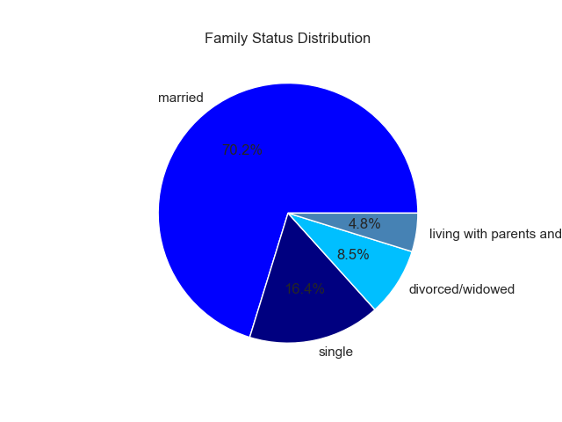

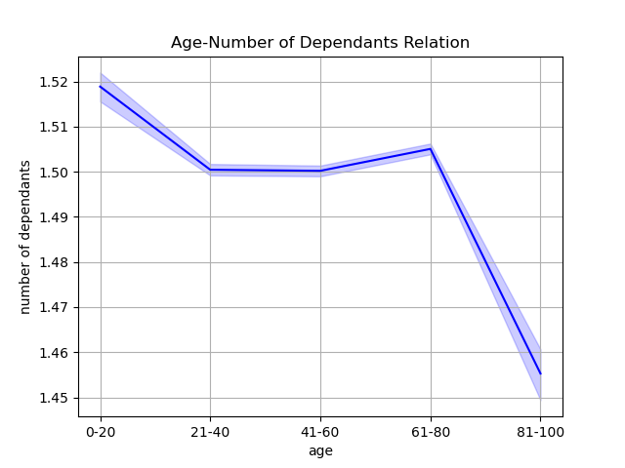

9.What different classifications does the demographic information suggest? Age? Income? Certain types of goods? Family status?

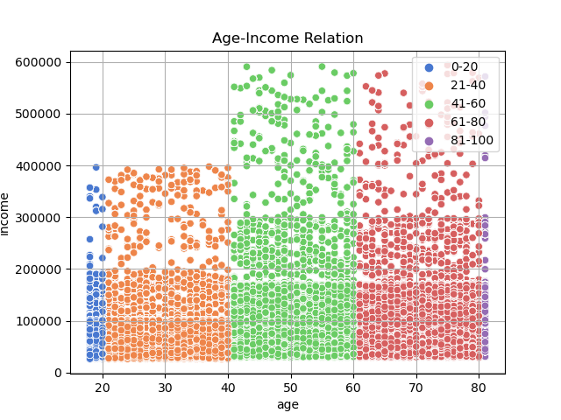

10.What differences can you find in ordering habits of different customer profiles? Consider the price of orders, the frequency of orders, the productscustomers are ordering, and anything else you can think of?

7. Recommendations
 |  | Title page

Recommendations

Question | Answer
1. The sales team needs to know what the busiest days of the week and hours of the day are in order to schedule ads at times when there are fewer orders. | For optimal prioritization, consider focusing on quieter times such as Tuesday and Wednesday, especially before 9 a.m. and after 4 p.m. Keep in mind that weekends, particularly Saturday and Sunday, tend to be busiest, especially between 9 a.m. and 4 p.m.
2. They also want to know whether there are particular times of the day when people spend the most money, as this might inform the type of products they advertise at these times. | "Promote high-value products during peak spending hours, notably between 2 am and 4 am, as well as around 10 pm. Focus advertising efforts during weekends, particularly from Thursday through Sunday, when spending peaks. Notably, there's a rise in purchases of high-priced items from 9 pm to 11 pm, reaching its peak at 10 pm, followed by a significant surge from 2 am to approximately 5 am
3. Instacart has a lot of products with different price tags. Marketing and sales want to use simpler price range groupings to help direct their efforts. | Prioritize marketing and sales efforts by emphasizing mid-range priced products, which constitute 61% of our inventory. However, it's also crucial to strategize for both low and high-range products, as they collectively make up 37% of all orders
4. Are there certain types of products that are more popular than others? The marketing and sales teams want to know which departments have the highest frequency of product orders. | Give priority to the Produce and Dairy Eggs departments, which account for the highest frequency of orders at 42% and 24%, respectively. Additionally, concentrate on the Snacks, Beverages, and Frozen categories, which also show significant demand. Create tailored campaigns, promotions, and advertisements for these top five high-demand categories to leverage sales opportunities and enhance profit margins
5. What’s the distribution among users in regards to their brand loyalty (i.e., how often do they return to Instacart)? | Expand loyalty programs and membership offerings, including incentives like discounted or free delivery and point-based rewards, to cultivate a larger base of loyal customers. Tailor advertisements and promotions to individual customer preferences. With regular customers comprising 51% of our base and loyal customers only 33.2%, prioritizing the conversion of regular customers to loyal ones is paramount. Moreover, attracting new customers can be achieved through targeted advertising strategies tailored to demographic needs
6. Are there differences in ordering habits based on a customer’s loyalty status | Implement personalized promotions and loyalty rewards for frequent, loyal customers to sustain engagement. Utilize targeted re-engagement campaigns for customers with longer order intervals to encourage more frequent purchases. Offer loyalty status to regular customers to incentivize them to order more frequently
7. Are there differences in ordering habits based on a customer’s region? | Enhance understanding of the Northeast, Midwest, and West regions' demographics and cultural preferences through further research to better serve their needs. Develop an advertising campaign showcasing Instacart's efficiency in meeting customer needs. In the South region, prioritize monitoring customer reviews and feedback to uphold the high order volume. Tailor regional advertising to peak activity periods, focusing on addressing the order count decrease typically seen around 6 pm
8. Is there a connection between age and family status in terms of ordering habits? | Focus marketing efforts on the married segment, particularly seniors and adults, who make up 34% and 31% of our customer base, respectively. Tailor promotions for young adults living with parents and those in their 20s, as they often have more dependents. Consider personalized outreach for single, divorced, or widowed customers. Implement campaigns designed to meet the unique needs and preferences of each demographic, ultimately enhancing customer satisfaction
9. What different classifications does the demographic information suggest? Age? Income? Certain types of goods? Family status? | "Implement targeted marketing campaigns aimed at affluent customers aged 40 and above, offering tailored products that meet their specific needs. For customers earning less than 200k across all age groups, provide promotions and savings deals customized to address the unique requirements of each age demographic
10. What differences can you find in ordering habits of different customer profiles? Consider the price of orders, the frequency of orders, the productscustomers are ordering, and anything else you can think. of | Focus on incentivizing regular orders from high and middle-income customers across all age groups who have dependents, as they drive significant sales. Introduce bulk item savings deals and rewards programs to boost sales among lower income age groups, tailored to their specific needs. Develop a targeted marketing strategy for high-income young adults without dependents, aiming to increase their order frequency. This demographic currently represents the smallest portion of sales

